Page9
CENTRIFUGAL PUMP DATA SHEET

 |  |  | Equip. Model: |  |  |  |  |  |  |  |  |  |  |  | TAG No.:
1 | Note |  | OUTLINE DRAWING |  |  |  |  |  |  |  |  |  |  |  |  |  |  |  |  | Rev
2
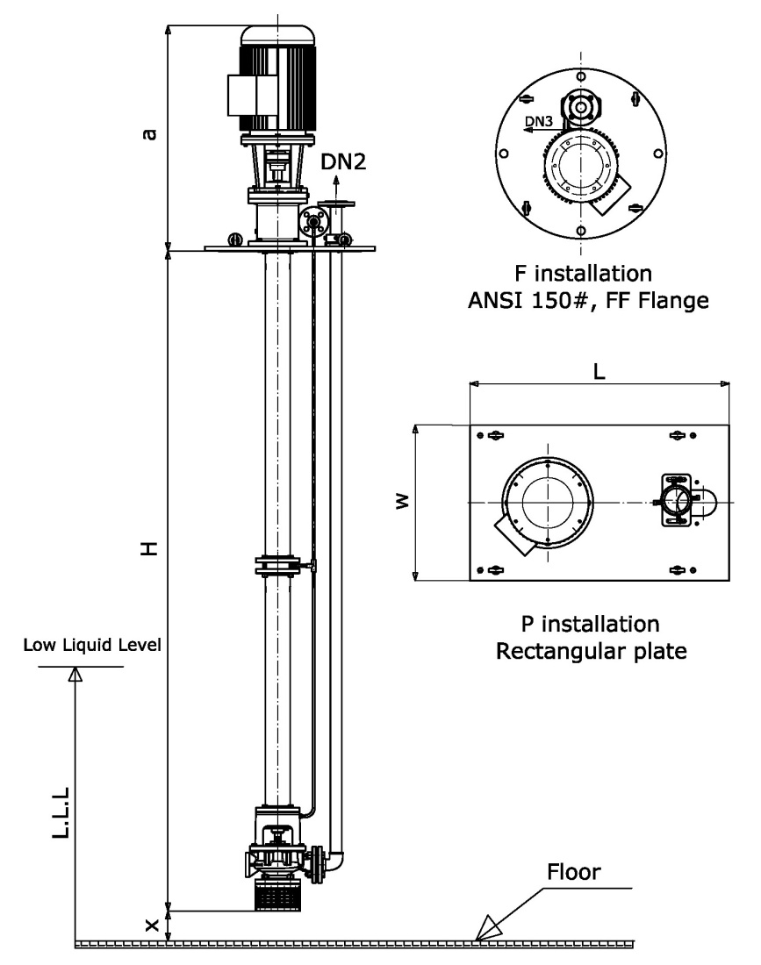
3 |  |  | DN2 |  | DN3 |  | X |  | H | L.L.L | a
4
5
6 |  |  | P Installation
7 |  |  | L |  | W
8
9 |  |  | F Installation
10 |  |  | Size |  |  |  |  | inch
11 |  |  | Standard: |  |  | ASME B 16.47, 150#, FF
12
13
14
15 |  |  | NOTES
16 |  |  | - | All dimensions in mm
17 |  |  | - | For auxiliary equipments, see separate
18 |  |  |  | drawings
19 |  |  | - | Drawing not to scale and not to be used for
20 |  |  |  | construction
21
22
23
24
25
26
27
28
29
30
31
32
33
34 |  |  | RECOMMENDED SPARE PARTS
35 |  |  |  |  |  |  |  |  |  |  |  | Recommended number of spare parts
36 |  |  | Part Name |  |  |  |  |  |  |  |  | Start-up | Normal Maintenance
37 |  |  | Shaft with key
38 |  |  | Impeller
39 |  |  | Wear Rings (Set)
40 |  |  | Bearings, Complete (Radial)
41 |  |  | Bearings, Complete (Thrust)
42 |  |  | Mechanical Seal
43 |  |  | Shaft Sleeve
44 |  |  | Gaskets, O-rings
45 |  |  | Spiders (Set)
46 |  |  | Bearings, bushings (set)
47
48
49

 |  | DATA SHEET No. |  |  |  |  |  |  |  |  |  |  |  | Rev: |  | SHEET | 9 | of | 15

